Sheet1
Paper Title | Authors | Year | Publication | Summary | Dataset | Citation | Notes
Harassment in Social Virtual Reality: Challenges for Platform Governance | Blackwell et al. | 2019 | PACM on Human-Computer Interaction, Vol. 3, No. CSCW, Article 100. Publication date: November 2019. | To better understand this nascent social and psychological environment, we interviewed VR users (n=25) about their experiences with harassment, abuse, and discomfort in social VR. We find that users' definitions of what constitutes online harassment are subjective and highly personal | N/A | Blackwell, Lindsay, et al. "Harassment in social virtual reality: Challenges for platform governance." Proceedings of the ACM on Human-Computer Interaction 3.CSCW (2019): 1-25. | 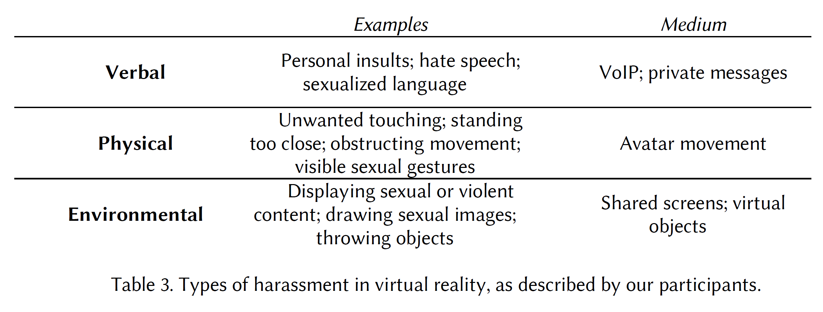 Flaming-Name calling or Insults Doxing-releasing personally identifiable info, such as home address or phone number "Indeed, in a survey of frequent users of HTC Vive, Oculus Rift, Playstation VR and Microsoft Windows Mixed Reality [40], 49% of female respondents described experiencing sexual harassment in VR, including being groped, stalked, or catcalled; being shown a lewd photograph; or hearing a sexually explicit comment. 36% of male respondents described experiencing the same."

